GeneralPicture
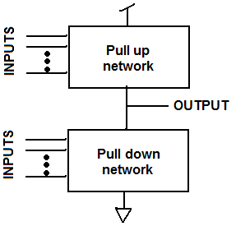 Complementary MOSFET (CMOS)
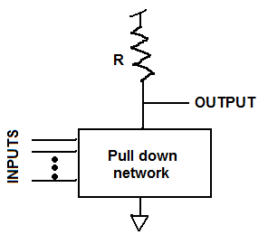 Resistive load (Resistor transistor logic)
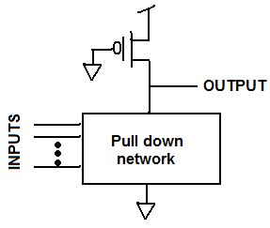 Pseudo NMOS
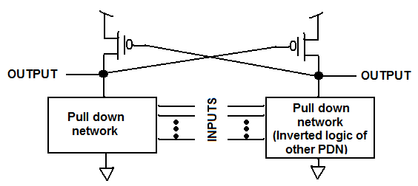 DCVSL (Differential Cascode Voltage Switch Logic)
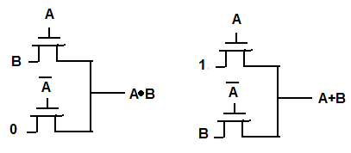 Pass transistor (Can build from ROBDD or from connecting ANDs and ORs): | If you had: [(A and B) or (C and D)] You would combine an and for A and B and an AND of C and D and then use them as inputs to the OR.
Transmission gate: Same as pass transistor logic but instead of a single NMOS, in place of EVERY NMOS, you use a transmission gate:
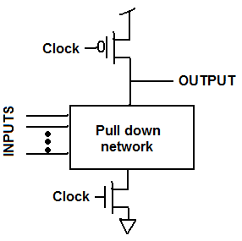 Dynamic logic
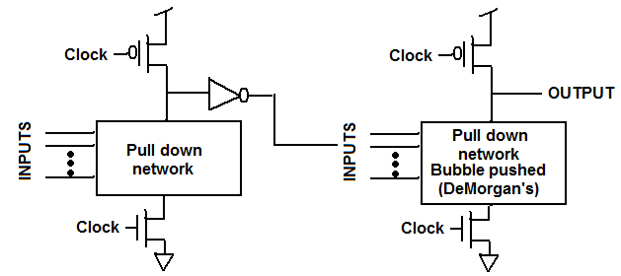 Domino logic
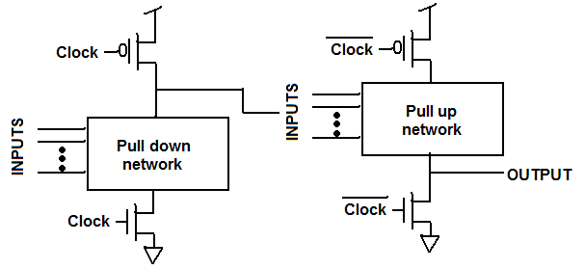 np-CMOS logic: Clock inverted on pull-up stages.
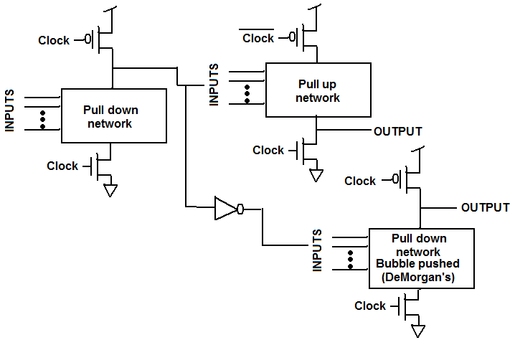 NORA (NP Domino Logic): Combination of np-CMOS and Domino
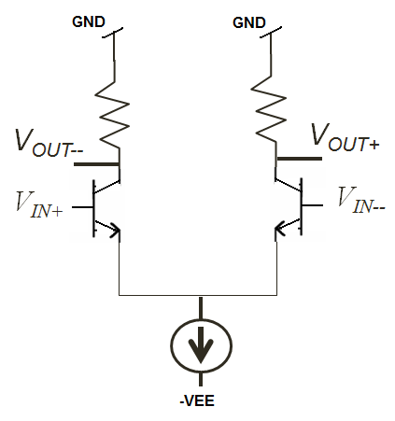 ECL: Could have pnp instead of resistors on the top. Can also have resistor instead of current source though an npn transistor in the active region can also be used.
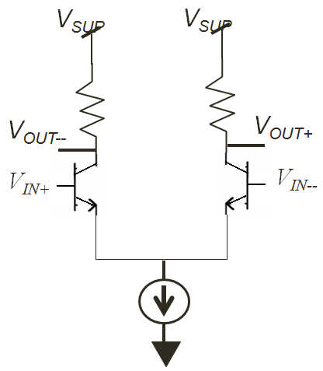 PECL: Same as ECL except top voltage is VCC and bottom voltage is GND.
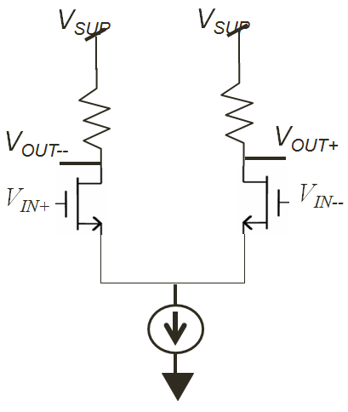 MCML

